1. Title Page
Project Name:
Instacart Analysis Final Project
Analyst Name: Heidi Jansen van Rensburg
Date: 04/27/2021

Contents:
Population Flow
Consistency checks
Wrangling steps
Column derivations
Visualizations
Recommendations

2. Population Flow
Population flow

Exclusion flag
Condition: max_order <
Obervations to be removed:
Final total count of order_products_all:

Orders_products_combined :
Orders_products_merged
Orders_products_all

Total:
Total: 32434489
Total:
32399732 | 32399732

1.) The grey boxes in the first row of the population flow represent the original data sets as they were when you downloaded them. In the Total fields you need to add the count of the rows when you imported the data set into Jupyter.
2.) The second row of boxes (coloured) represents the data sets after you manipulated them, e.g., removed missing values and duplicates. In the Total fields you need to add the count of the rows after conducting these operations. This offers a visual oveview of how the data flows throughout the data consistency checks.
3.) The third row, where also the arrows are coloured, represents the merges you performed between the datasets. In the Total fields you need to add the count of the rows in the merged datasets, so that you end up with the final dataset (in the red box). Keep in mind the final dataset should be without exclusions (based on the exclusion flag).

3. Consistency checks
 |  |  |  | Title page
Consistency checks

Dataset | Missing values | Missing values treatment | Duplicates
orders | 206209 missing values in days_since_prior_order | 206209 NaN values were replaced with mean values of the values of the rest of the column. | No duplicate values
products | 16 missing values in 'Product Names' | Missing names rows were removed as it is not possible to replace with median/mean values. | 5 duplicate values in orders data were removed. Two outliers in 'prices' variable removed.
orders_products_prior | None |  | No duplicate values
customers | None |  | No duplicate values

4. Wrangling steps
 |  |  |  | Title page
Wrangling steps

Columns dropped | Columns renamed | Columns' type changed | Comment/Reason
eval_set | The order_dow column in the 'orders' data set was renamed to 'orders_day_of_the_week' | Orders_day_of_the_week' was changed from a numeric value to a string. | Although the 'Orders_day_of_the_week' column referred to days, the days were described in numbers. Even so, it was still necessary to treat the infomation as non-numeric.

add_to_cart_order' |  | The column 'days_since_prior_order' had a combination of string and numeric values. | The column 'days_since_prior_order' contained a combination of missing values indicated by the term 'NaN' (not a number) and numeric values. This was automaticlly changed to numeric type columns when the Nan values were replaced by mean numeric values.
reordered' in 'df_orders_products_combined'
Unnamed: 0.1 in 'df_orders_products_combined'
Unnamed: 0' in 'df_orders_products_combined'
In customer data drop: First Name; Surname and date_joined | In customer data rename: Age : customer_age; income : annual_income; fam_status : marital_status; Gender : gender; STATE : state; n_dependants : number_of_dependants | In Customer data: 'User_id' variable: changed dtype to str | The 'user_id' don't represent real numeric values, rather keys related to users.
 |  | In Products data: 'User_id' variable: changed dtype to str | They don't represent real numeric values, rather keys related to users.
Drop 'baby_order_flag_x' and 'baby_order_flag_y' in df_ords_prods_cust_merged
 |  | In Order data: 'Order_id' variable: change data type to str | The variable doesn't represent real numeric values, rather keys related to orders.

5. Column derivations
 |  |  |  | Title page

Column derivations and aggregations

In this tab you should add tables below that the frequences of flags/label variables that you produced after deriving them. NB: don't do this for continuous variables, only for flags.
Dataset | New column | Column/s it was derived from | Conditions
df_ords_prods_merged | busiest_day | orders_day_of_the_week | In order to determine the highest to lowest frequency days of orders per week: Sunday =busiest; Thursday=least busy; rest of the week=regular busy.
df_ords_prods_merged | busiest_days | orders_day_of_the_week | This entails the busiest, least busy TWO days, and the rest regular busy days of the week.
df_ords_prods_merged | busiest_period_of_day | order_hour_of_day | Most orders between 9am and 5pm. Average order between 6pm to 11pm. Fewest between 12 and 6am.
df_ords_prods_merged | price_range | prices | It designates location for labels. busiest_period_of_daydf_orders_products_combined'prices' <= 5: return 'Low-range product'; 'prices' > 5) and 'prices']<= 15 return 'Mid-range product'; 'prices' > 15 return 'High-range'
Products data | orders_day_of_the_week | busiest_day | It refers to the busiest, Least busy and Regular busy Days.
Products data | orders_day_of_the_week | busiest_day | This column refers to the two busiest, two Least busy and the rest are Regular busy Days.
Products data | max_order | loyalty_flag | This column divides customers into frequent, regular and loyal customers.
df_ords_prods_cust_merged | state_region | state | Divides the US into 4 region i.e.: 'South', 'West', 'Midwest', and 'Northeast'.
df_ords_prods_cust_merged | activity_flag | order_number | Divides customer order activity into 'high_activity' and 'low_activity' customer. 'Low _activity' customer gets removed from the dataset.
df_ords_prods_cust_merged | parent_life_stage | customer_age | Consists of four variables: 'young -', 'middle-aged-' and 'older parent', as well as 'no dependants'.
df_ords_prods_cust_merged | baby_order_flag | department_id == 18 | Baby_orders boolean i.e. either true or false. Either customer orders baby products or doesn't.
df_ords_prods_cust_merged | baby_in_the_family | baby_order_flag | Either a 'baby_in_the_family' or 'no_baby_in_the_family'
df_ords_prods_cust_merged | pet_order_flag | department_id == 8 | Boolean i.e.either true of false. Either customer makes order from pet department or doesn't.
df_ords_prods_cust_merged | pet owner | pet_order_flag | Customer is either a pet owner or NOT a pet owner.

6. Visualizations
 |  |  |  | Title page

Visualisations

In this tab you should include all the visualtions from Exercises 4.9 and 4.10, alongside the questions from the project brief that they answer. Include any commentary on the relationship between different variables.

Key Question 1: Busiest DOW

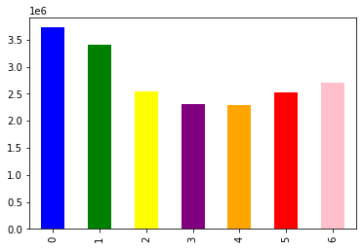
What are the busiest days of the week and hours of the day (i.e., the days and times with the most orders) - in order to schedule ads at times when there are fewer orders.

1.1 Sunday is the busiest day of the week. From there the orders gradually drop off to midweek reaching a low point on Thursday, picking up again towards the weekend
Recommendation: Schedule more ads from Tuesday - Saturday
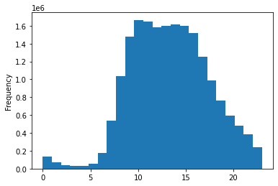

1.2 The busiest hour is 8:00 with the orders remaining high until 16:00 and then dropping off sharply. Orders are very low overnight, but that is to be expected as most people will be in bed
Recommendation: Schedule more ads from 17:00 to 7:00

Key Question 2: Are there particular times of the day when people spend the most money, as this might inform the type of products they advertise at these times.

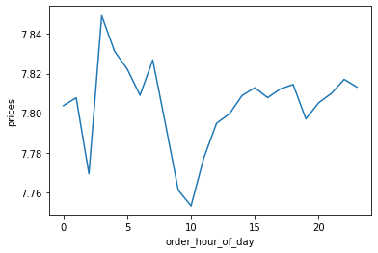

Customers spend higher amounts of money at 3:00. The peak and stays relatively high up until 7:00.

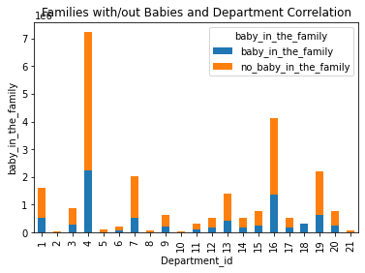
Key Question 3: Are there certain types of products that are more popular than others? The marketing and sales teams want to know which departments have the highest frequency of product orders.
 | Top 10 departments by number of orders
 | Department | Number of orders | % of orders
 | produce | 7,227,091 | 29.6%
 | dairy eggs | 4,116,777 | 16.9%
 | snacks | 2,187,121 | 9.0%
 | beverages | 2,036,447 | 8.3%
 | frozen | 1,627,614 | 6.7%
 | pantry | 1,385,375 | 5.7%
 | bakery | 883,330 | 3.6%
 | canned goods | 787,790 | 3.2%
 | deli | 783,011 | 3.2%
 | dry goods pasta | 633,725 | 2.6%
 | Other | 2,742,885 | 11.2%
 | Grand Total | 24,411,166 | 100.0%

Families 'without a baby in the family' return most to aisles 4 (produce) and 16 (dairy, eggs) and less so, but noticeable return to aisles 1 (frozen), 7 (beverages), 13 (pantry), and 19 (snacks). | The top 5 highest frequency of product orders are in the produce, dairy/eggs, snacks, beverages and frozen departments.
Families 'with a baby in the family' similarly spend most in aisles 4 (produce) and 16 (dairy, eggs); and regularly but less so, in aisles 1 (frozen), 7 (beverages), 13 (pantry), and 19 (snacks). There appears to be proportionally far less families 'with a baby in the family' than families 'without a baby in the family'.

Key Question 4.: a.) What’s the distribution among users in regards to their brand loyalty (i.e., how often do they return to Instacart)?

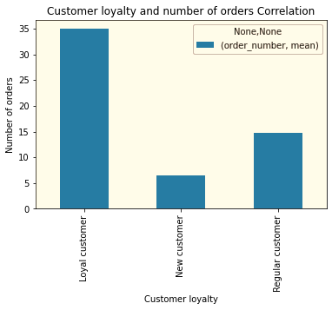

Loyal customers return 62%; Regular customers 26% and New customers 12% of the time.

Key Question 5: b.) Are there differences in ordering habits based on a customer’s loyalty status?

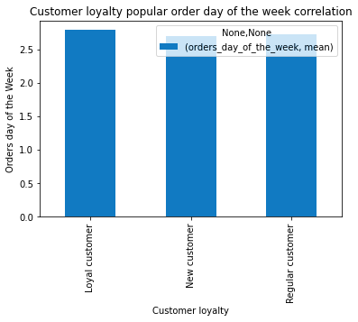

5: b.) Wednesday is the most popular day order day for all three loyalty groups.

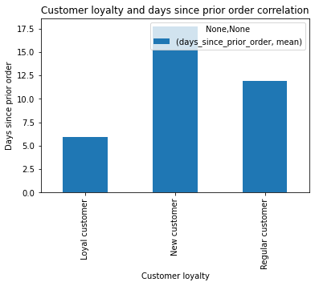

5: b.) Loyal customers has much fewer days since prior order, which means that loyal customers order much more frequently than regular and new customers.

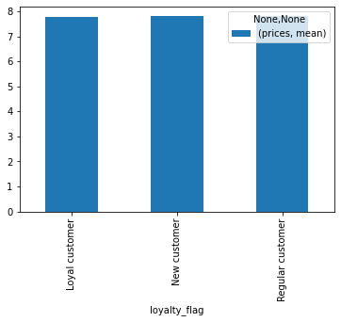

There is not a significant differnce in mean prices paid between respective loyal customers.

Key Question 6: c.) Are there differences in ordering habits based on a customer’s region?

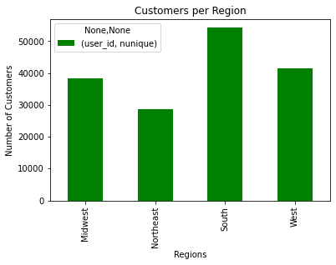

6.c: The South has significantly higher number of customers per region.

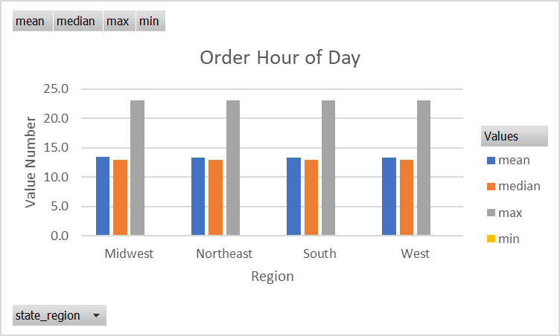

6.c: There is no difference in customer order hour habits between regions.

Order Day of the Week
 | Sum of max | Sum of min | Sum of mean | Sum of median
Midwest | 6 | 0 | 2.7473919573 | 3
Northeast | 6 | 0 | 2.7409712371 | 3
South | 6 | 0 | 2.7516138165 | 3
West | 6 | 0 | 2.7484974202 | 3

6.c: All regions have Wednesday as the most popular order day.

Customer Aggregate Prices per Region
 | Sum of max | Sum of min | Sum of mean | Sum of median
Midwest | 25 | 1 | 7.7907185618 | 7.4
Northeast | 25 | 1 | 7.7819786066 | 7.4
South | 25 | 1 | 7.795570108 | 7.4
West | 25 | 1 | 7.7902633054 | 7.4

6.c: There is no difference in customer aggregate prices per regions; median prices being 7.4 in all regions.

Key Question 7: d.) Is there a connection between age and family status in terms of ordering habits?

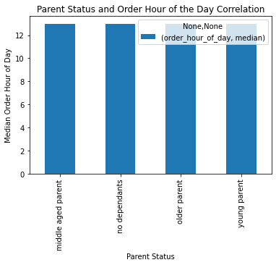

7: d.) No significant correlation between different ages of parent status and order time of the day.
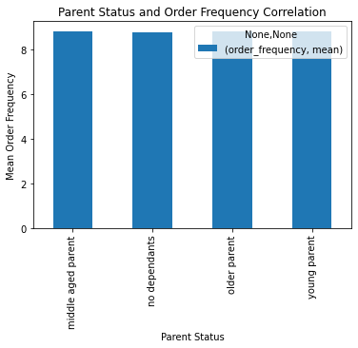

7: d.) No significant correlation between parent statusses of different ages and order frequency.

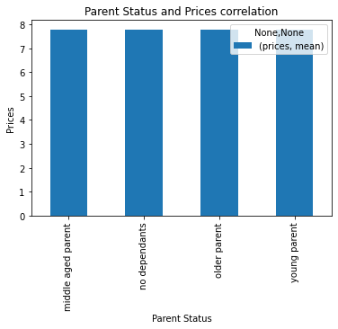

7: d.) No significant correlation between parent status in different age groups and prices.



7: d.) Older parents take a marginally longer time since their prior order. **** Did not calculate order hour of day!!
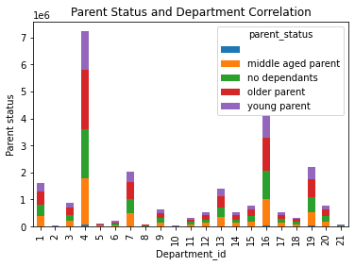

7: d.) Significant return/spending habits in department 4 (produce) and slightly less so in department 16 (dairy, eggs); Regular but noticeable return/spending habits, in aisles 1 (frozen), 7 (beverages), 13 (pantry), and 19 (snacks). Highest to lowest frequency groups of return to respective departments: older parents, no dependent, middle aged parents, and young parents.

Key Question 8: e.) What different classifications does the demographic information suggest? Age? Income? Family status? Certain types of goods?
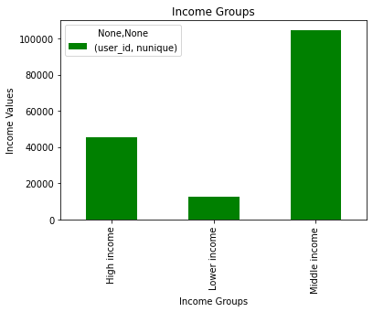

8:e.) Income: Customer-incomes are grouped into high, middle- and lower-income groups.

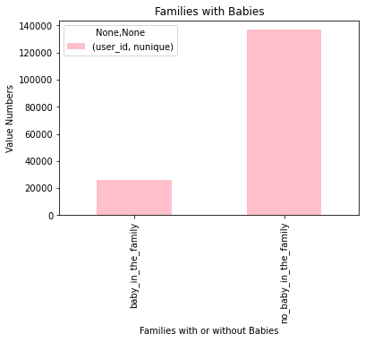

.

8:e.) Families are divided into families with/without babies There are significantly more customers without babies than with babies.
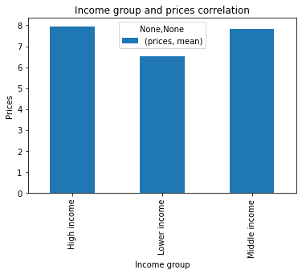

Lower income groups pay on average less per item.

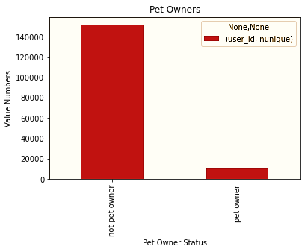

8:e.) Families are divided into families with/without pets There are significantly more customers without pets.

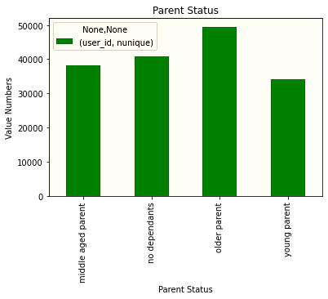

8:e.) Older parents are the highest number of customer parent status demographic.

Key Question 9: What differences can you find in ordering habits of different customer profiles? Consider the price of orders, the frequency of orders, the products customers are ordering, and anything else you can think of.

Income and departments
 | Sum of High income | Sum of Lower income | Sum of Middle income
1 | 495103 | 76502 | 1056009
4 | 2170897 | 296229 | 4759965
7 | 579556 | 150700 | 1306191
16 | 1235082 | 184047 | 2697648
19 | 564819 | 231560 | 1390742

All three income groups have the same departments in their top 5 list of spending habits.

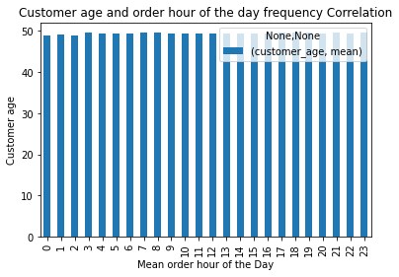

No correlation between customer age and order hour of day.

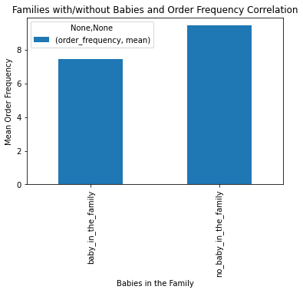

Families with babies order more frequently than families with babies.

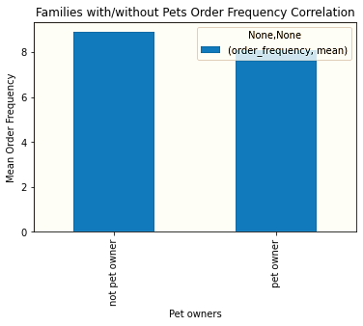

Pet owners order marginally more frequently than non pet owners.

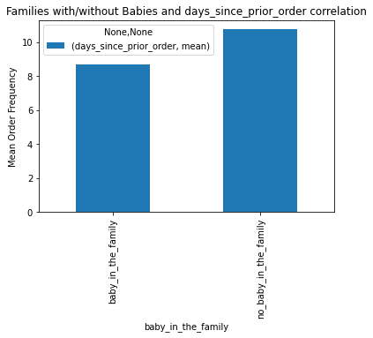

Families with babies have fewer days since prior orders; therefore they tend to place orders more regularly than families without babies.

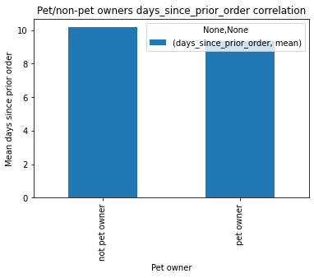

No correlation between parent status and order hour of day.

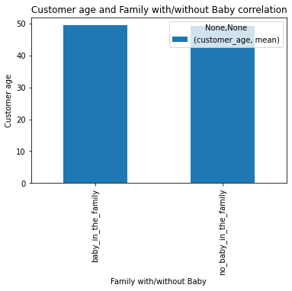

No significant correlation between 'customer age' and families with/without a 'baby_in_the_family'.

No significant correlation between parent status in different age groups and prices.

No significant correlation between parent status/age groups and order frequency.



Older parents marginally longer time since prior order.

No significant correlation between parent status and prices.

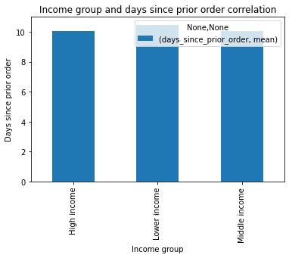

Low income groups shop marginally less regularly.

Income group and number of orders correlation
 | Total
High income | 22.057247018
Lower income | 20.892076521
Middle income | 21.984532204

Higher income groups place more orders.

Pet owner spending habits
 | Total
1 | 209229
2 | 4020
3 | 105071
4 | 592690
5 | 20121
6 | 23377
7 | 243524
8 | 72111
9 | 75441
10 | 1648
11 | 57389
12 | 59696
13 | 163095
14 | 55555
15 | 94965
16 | 400925
17 | 101037
18 | 28659
19 | 233709
20 | 82972
21 | 6178

Ordering habits of pet-owners in top 5 departments: 1 (frozen), 7 (beverages), 16 (diary eggs), 19 (snacks) and 13 (pantry). The pet department (8) is 8th in line.

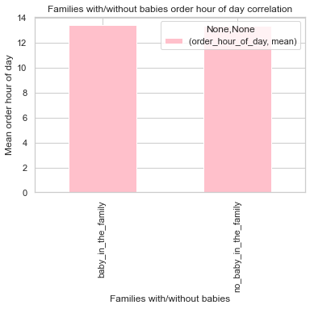

No difference in mean order hour of day between families with/without babies.

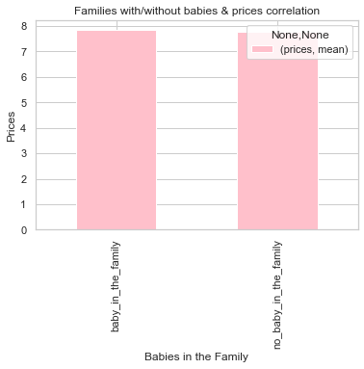

No difference between families with/without babies and prices paid.

7. Recommendations
 |  |  | Title page

Recommendations

In this tab you should include any recommendations you would made to Instcart in terms of their marketing strategy based on the questions posed in the brief. Every key question has been covered in the Tasks of the Exercises - here you need to add an item - a visualisation or table/crosstable that is showing the answer in the data, acompanied by a comment from you. Please, list the questions below and add the answer underneath.

Question |  | Answer
Key Question 1 | What are the busiest days of the week and hours of the day (i.e., the days and times with the most orders) - in order to schedule ads at times when there are fewer orders. | The busiest hours of the day are between 8:00; remaining high until 16:00 - then dropping off sharply. Orders are very low overnight, but that is to be expected as most people will be in bed.

Key Question 2 | Are there particular times of the day when people spend the most money, as this might inform the type of products they advertise at these times. | Customer's highest amount spent per order peaks at 3:00 and stays relatively high up until 7:00.

Key Question 3 | Are there certain types of products that are more popular than others? The marketing and sales teams want to know which departments have the highest frequency of product orders. | The top 5 highest frequented departments of product orders are in produce(4), dairy/eggs(16), snacks(19), beverages(7) and frozen(1).

 | Marketing and sales teams are particularly interested in the different types of customers in their system and how their ordering behaviors differ. For example:

Key Question 4 | a.) What’s the distribution among users in regards to their brand loyalty (i.e., how often do they return to Instacart)? | Loyal customers return 62%; Regular customers 26% and New customers 12% of the time. Ad campaigns can be recommended to focus on all three loyalty groups to maintain loyalty. A special focus on the new customers to help build brand loyalty.

Key Question 5 | b.) Are there differences in ordering habits based on a customer’s loyalty status? | The only difference in ordering habits based on loyalty status is that Loyal customers has much fewer days since prior order, which means that loyal customers order much more frequently than regular and new customers.
 |  | The three loyalty groups pay on average similar prices for products; and
 |  | Wednesday is the most popular order day for all three loyalty groups. Recommendation for most successful ad campaign day: Wednesday would be a good day for targeted online ad campaigns such as baby products, pet products, and products in the most popular departments (as mentioned e.g. in key question 3), to optimize the number of customers reached.

Key Question 6 | c.) Are there differences in ordering habits based on a customer’s region? | Customers per region: All four main region’s ordering habits are similar with reference to most frequent daily order hour (13:00), day of the week (Wednesday), and 'price' (7.4) paid. Recommendation for days/hour of the day: Knowing what the most popular days/order hour of the days are, gives an opportunity to make sure there is enough staff during these days/rush hours and what products and customers to focus on for marketing.

Key Question 7 | d.) Is there a connection between age and family status in terms of ordering habits? | Age: Older parents take a marginally longer time since their prior order. No significant correlation between different age and parent status and order time of the day.
 |  | No significant correlation between parent status in different age groups and order frequency. No significant correlation between parent status in different age groups and prices.
 |  | Conclusion: Age and family status is not a consideration when making targeted ad campaigns.

Key Question 8 | e.) What different classifications does the demographic information suggest? Age? Income? Certain types of goods? Family status? | Age/Parent status: Customer’s age can be divided into young, middle-aged, older parents, and those without dependents. The data suggests that the average household across all groups have two children. Older parents are the highest number of customer parent status demographic.
 |  | Income: Customer-incomes are grouped into high, middle- and lower-income groups.
 |  | The biggest represented group is the middle-income group and the smallest one the lower income group. All three income groups have the same departments in their top 5 list of spending habits.

 |  | Family status: families are divided into families with/without babies; there are significantly more families without babies.
 |  | Pet/non-pet owners: Families are also divided into families with/without pets; however, there are significantly more customers without pets.

 |  | Pet owners/non-pet owners: pet owner's top 5 departments are similar to non-pet owners. Orders from the pets department are 8th in line. This might be enhanced by creating more awareness of the variety of products with occasional discounted prices.
 |  | Pet owners also tend to place orders marginally more regularly than non-pet owners i.e. fewer days since last order.

Key Question 9 | What differences can you find in ordering habits of different customer profiles? Consider the price of orders, the frequency of orders, the products customers are ordering, and anything else you can think of. | Income groups and ordering habits: There are no noticeable differences in ordering habits with regards to days since prior order, and order hour of day. However, higher income groups place more orders; and Lower income groups order marginally less frequently, have a lower number of orders, and pay lower prices per item than higher- and middle-income groups.

 |  | Recommendation for pet owners: The pet food (8) department is only 8th on the pet owners top 10 frequented department list. Pet owners order marginally more frequently than non pet owners. A marketing campaign in the pets department is recommended for an increase in pet products sales.

 |  | Families with/without babies: Differences: Families with babies have fewer days since prior orders than families without babies; therefore, they tend to place orders more frequently than families without babies. Similarities: between families with/without babies and prices paid and mean order hour of day.

 |  | Recommendation for families with babies: Families with babies can benefit from ordering online for delivery more regularly as it is more effort and inconvenient shopping in person with an infant. A recommended marketing campaign in the baby department to create more awareness of baby products e.g., pre-launch give-aways for new baby products to increase sales in this department.

 |  | Age/Parent status: No correlation between parent status/age and order hour of day, prices, families 'with/without a baby' and order frequency; except for older parents who take a marginally longer time since prior order.

